Page 1
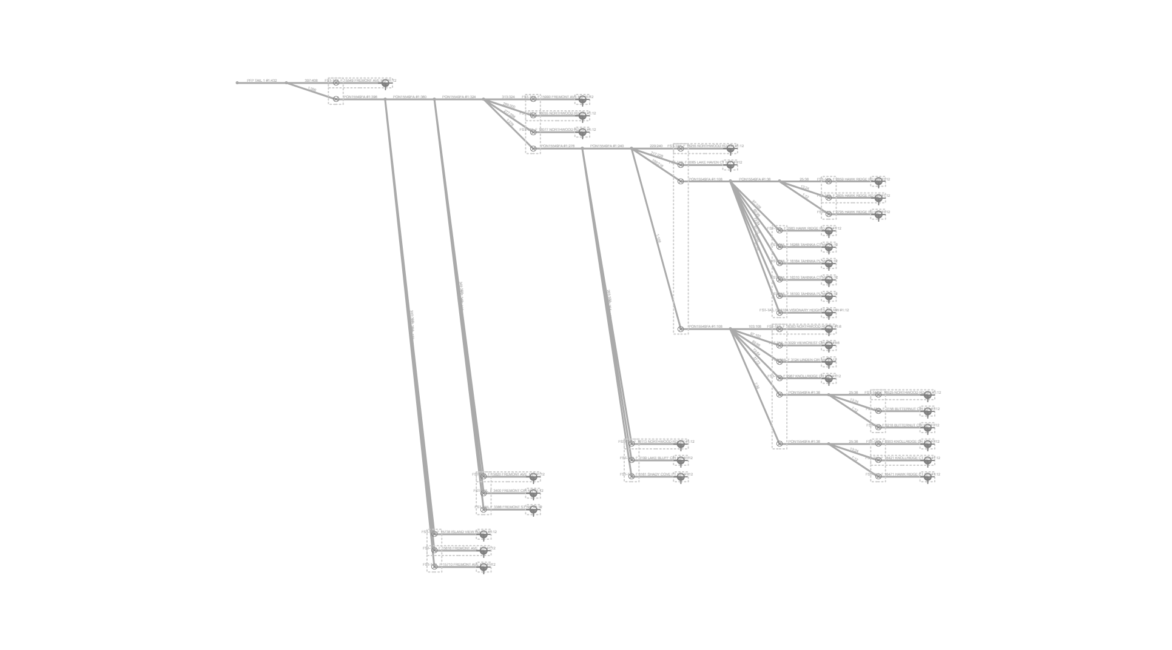
Fiber Trace Report
Cable: PFP TAIL 1 (432)
Fibers: #1:432
Design: PSA-3107PA-SHKPMNOS-CHARLIE
Date: 29/1/2025

